Introduction
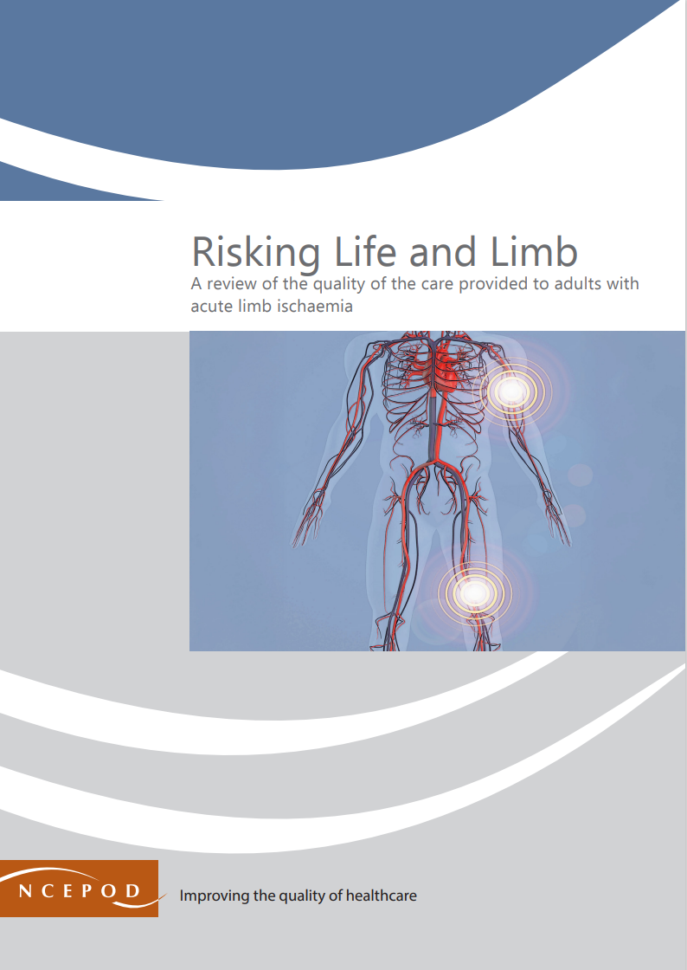

Risking Life and Limb
Audit Toolkit

This tool has been designed to review the quality of the care in hospital provided to adults with acute limb ischaemia (ALI). This tool has been designed to audit against recommendations in the NCPOD report, Risking Life and Limb (see Recommendations worksheet in this spreadsheet), particularly recommendation two in this report. It covers the pathway in relation to expedited care for patients with acute limb ischaemia, particularly those with a sensorimotor deficit (Rutherford IIb*) who should undergo treatment within six hours of the onset of symptoms.
*Rutherford classification

In the NCEPOD study Patients aged 18 or over who were admitted to a vascular hub as an emergency between 1st January 2023 and 31st March 2023 for treatment of ALI were included. Patients who were not treated in a vascular hub hospital were not included in the study.

This tool is designed for patients treated in Vascular hub hospitals listed here. Patients who only received care in a spoke hospital are not included:
Vascular Hubs.pdf

An interactive map displaying the relationship between hub and spoke hospitals in England, Wales and Northern Ireland can be found here:
Vascular Networks | Tableau Public

If your hospital is part of a well functioning vascular network, you should be able to access notes from the referring 'spoke' hospital and from primary care if relevant.

Thank you for downloading the toolkit for 'Risking Life and Limb'. We hope you find this useful. If you have any feedback, please email us at info@ncepod.org.uk Please could you advise your local audit department if you plan to undertake this audit. It is important that they are made aware of it for the benefit of demonstrating Trust/Health Board activity and also so that they are in a position to support you and endorse the activity for your benefit.

Please complete as many questions which are applicable to the care of the patient. NB: For patients with multiple limb ischaemias, please audit each limb ischaemia on a separate row.

For information on the recommendation to which each question assesses, please click on the button
This toolkit can be used in conjunction with the Recommendation Checklist. Further implementation tools can be accessed via the link below or by clicking on the adjacent report cover image.
https://2025ali.html

Summary
Extent to which each recommendation has been met (%)
Recommendation - Sub criteria question number (reference)
Overall time to treatment | Patient Awareness | Clinician Awareness | Delay in Transfer From Spoke | Delay in Vascular Hub | Discharge Planning/Ongoing Care
19b | 20b | 21b | 22b | 23b | 25a
19c |  |  |  |  | 25b
 |  |  |  |  | 25c
 |  |  |  |  | 25d
The chart will only populate once all questions for a particular Recommendation have been answered in the Audit Tool worksheet |  |  |  |  | 25e
 |  |  |  |  | 25f
Recommendation - Sub criteria questions (score)
Overall time to treatment | Patient Awareness | Clinician Awareness | Delay in Transfer From Spoke | Delay in Vascular Hub | Discharge Planning/Ongoing Care
No data | No data | No data | No data | No data | No data
No data |  |  |  |  | No data
 |  |  |  |  | No data
 |  |  |  |  | No data
 |  |  |  |  | No data
 |  |  |  |  | No data

Overall time to treatment | Patient Awareness | Clinician Awareness | Delay in Transfer From Spoke | Delay in Vascular Hub | Discharge Planning/Ongoing Care
No data | No data | No data | No data | No data | No data

RAG system (NCEPOD recommends these are set at the following limits, however these can be adapted by your Trust/Health Board where appropriate by amending the thresholds as required) | %
Green | 90-100
Amber | 50-89
Red | 0-49

